Sheet1
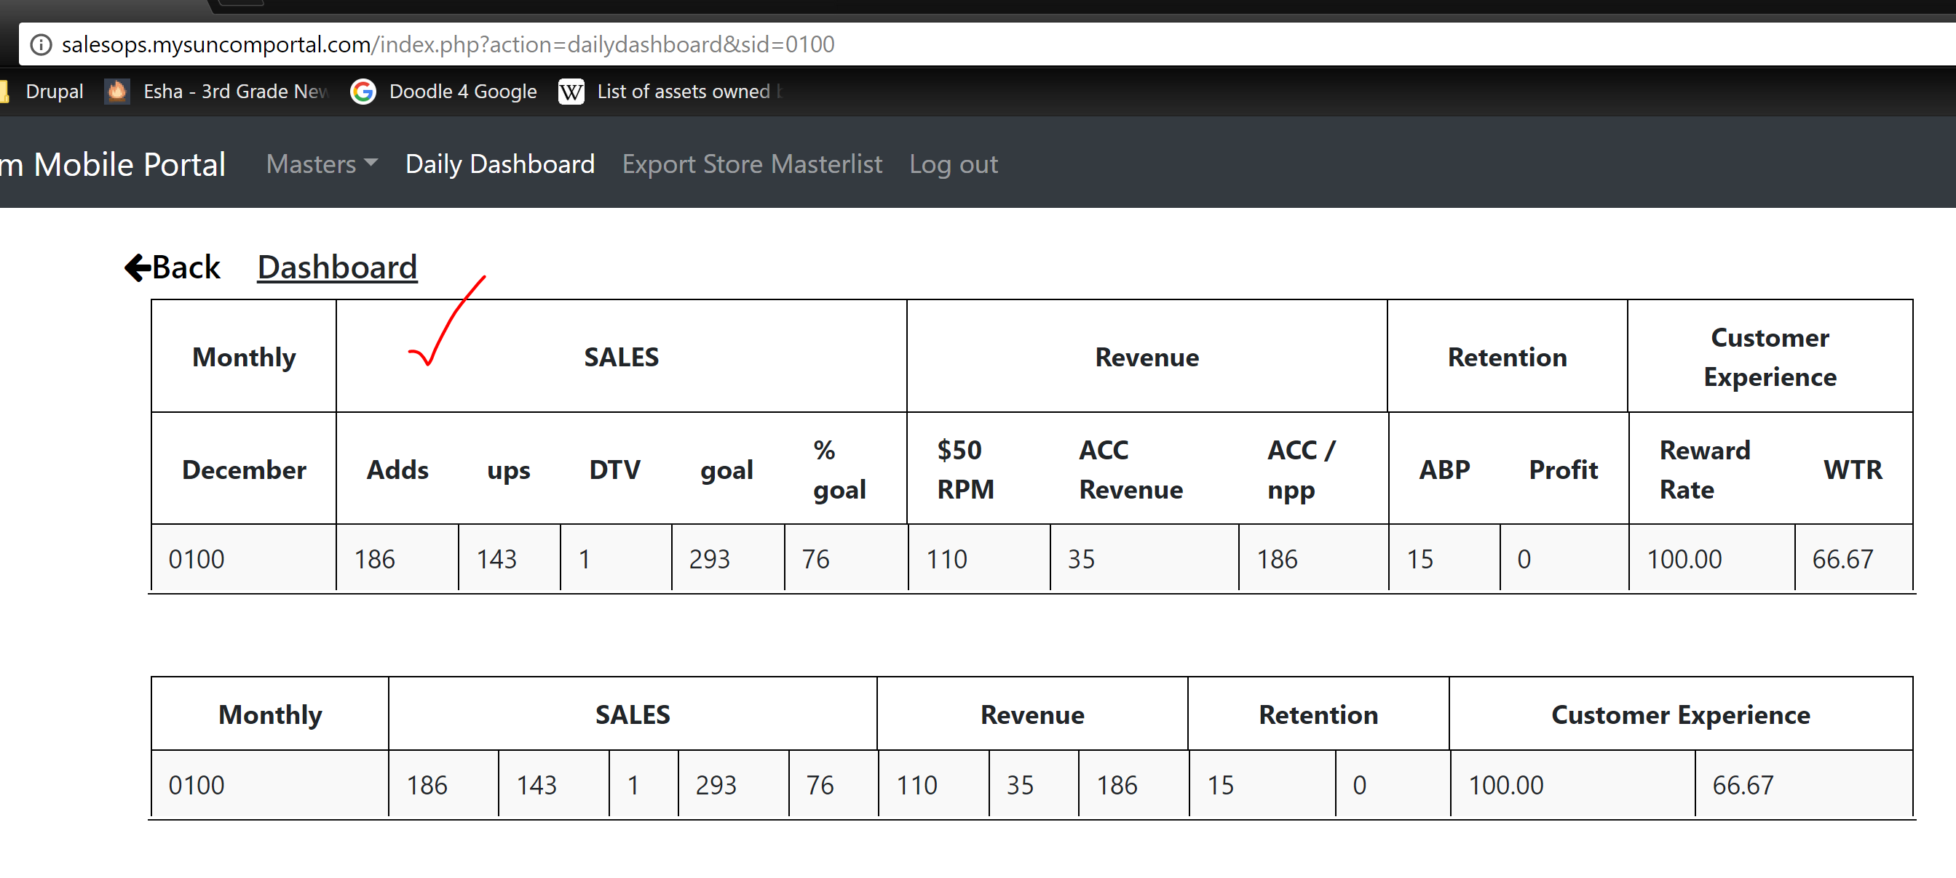
MONTH | SALES |  |  |  |  | REVENUE |  |  | RETENTION
 | ADDS | UPG | DTV | GOAL | % TO GOAL | $50 RPM | ACC/REV | ACC/OPP | ABP | PROTECT | WTR
STORE | =sun_one_report_mtd!K:K | =sun_one_report_mtd!BA:BA | ??? | =prime_store_dsr!J:J | =prime_store_dsr!K:K | =(sun_one_report_mtd!AT:AT+sun_one_report_mtd!AU:AU+sun_one_report_mtd!AV:AV+sun_one_report_mtd!AW:AW+sun_one_report_mtd!AX:AX)/(sun_one_report_mtd!AQ:AQ+sun_one_report_mtd!AR:AR+sun_one_report_mtd!AS:AS+sun_one_report_mtd!AT:AT+sun_one_report_mtd!AU:AU+sun_one_report_mtd!AV:AV+sun_one_report_mtd!AW:AW+sun_one_report_mtd!AX:AX) | =prime_store_dsr!AU:AU |  | =sun_one_report_mtd!BB:BB/sun_one_report_mtd!BC:BC | =sun_one_report_mtd!R:R/sun_one_report_mtd!S:S | =sun_one_report_mtd!O:O
DAILY | SALES |  |  |  |  | REVENUE |  |  | RETENTION
 | ADDS | UPG | DTV | GOAL | % TO GOAL | $50 RPM | ACC/REV | ACC/OPP | ABP | PROTECT | WTR
STORE

